Airline-wise Average Price
Row Labels | Average of Price
Air Asia | 5590.2601881
Air India | 9556.6080283
GoAir | 5861.056701
IndiGo | 5666.9416952
Jet Airways | 11598.403893
Jet Airways Business | 58358.666667
Multiple carriers | 10902.678094
Multiple carriers Premium economy | 11418.846154
SpiceJet | 4335.8417178
Trujet | 4140
Vistara | 7801.3556485
Vistara Premium economy | 8962.3333333

Dashboard
Flight Price Analysis

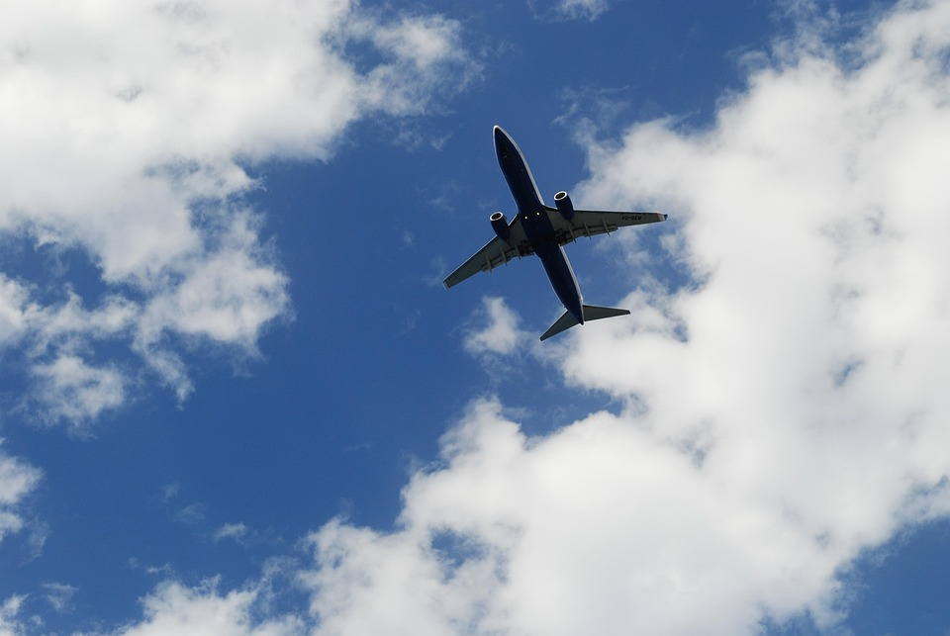
Total Flights
Average Price
Highest Price Flight
Lowest Price Flight
Most Frequent Airline
10459
9026.67
79512
1759
Jet Airways

Airline-wise Average Price
Effect of Stops on Average Flight Price

 | Total
Air Asia | 5590.2601881
Air India | 9556.6080283
GoAir | 5861.056701
IndiGo | 5666.9416952
Jet Airways | 11598.403893
Jet Airways Business | 58358.666667
Multiple carriers | 10902.678094
Multiple carriers Premium economy | 11418.846154
SpiceJet | 4335.8417178
Trujet | 4140
Vistara | 7801.3556485
Vistara Premium economy | 8962.3333333
 | Total
1 stop | 10595.320825
2 stops | 12760.248292
3 stops | 13260.674419
4 stops | 17686
non-stop | 5018.5067626

Airline Market Share by Flights
Flight Duration vs Price
 | Total
Air Asia | 319
Air India | 1694
GoAir | 194
IndiGo | 2041
Jet Airways | 3699
Jet Airways Business | 6
Multiple carriers | 1196
Multiple carriers Premium economy | 13
SpiceJet | 815
Trujet | 1
Vistara | 478
Vistara Premium economy | 3
 | Price | Price
2h 50m | 3897 | 3897
7h 25m | 7662 | 7662
4h 45m | 13302 | 13302
2h 25m | 3873 | 3873
15h 30m | 11087 | 11087
21h 5m | 22270 | 22270
25h 30m | 11087 | 11087
7h 50m | 8625 | 8625
13h 15m | 8907 | 8907
2h 35m | 4174 | 4174
2h 15m | 4667 | 4667
12h 10m | 9663 | 9663
2h 35m | 4804 | 4804
26h 35m | 14011 | 14011
4h 30m | 5830 | 5830
22h 35m | 10262 | 10262
23h | 13381 | 13381
20h 35m | 12898 | 12898
5h 10m | 19495 | 19495
15h 20m | 6955 | 6955
2h 50m | 3943 | 3943
2h 55m | 4823 | 4823
13h 20m | 7757 | 7757
15h 10m | 13292 | 13292
5h 55m | 7682 | 7682
2h 50m | 4668 | 4668
2h 15m | 3687 | 3687
2h 15m | 3687 | 3687
13h 25m | 13227 | 13227
2h 50m | 4423 | 4423
22h | 10919 | 10919
5h 30m | 12373 | 12373
10h 25m | 5894 | 5894
5h 15m | 4649 | 4649
2h 30m | 6245 | 6245
6h 15m | 19225 | 19225
11h 55m | 14924 | 14924
11h 5m | 9646 | 9646
8h 30m | 8714 | 8714
22h 5m | 12373 | 12373
2h 45m | 3383 | 3383
12h | 13062 | 13062
2h 50m | 3527 | 3527
2h 50m | 3943 | 3943
2h 15m | 4667 | 4667
16h 5m | 6117 | 6117
19h 55m | 11150 | 11150
3h 15m | 7202 | 7202
25h 20m | 12121 | 12121
2h 50m | 4377 | 4377
...

chart 2
Row Labels | Average of Price
1 stop | 10595.320825
2 stops | 12760.248292
3 stops | 13260.674419
4 stops | 17686
non-stop | 5018.5067626
Grand Total | 9026.6700449

 |  | Effect of Stops on Average Flight Price

Flight Duration vs Price
Sum of Price | Column Labels
Row Labels | Banglore | Cochin | Delhi | Hyderabad | Kolkata | New Delhi | Grand Total
Banglore |  |  | 6507057 |  |  | 10974783 | 17481840
Chennai |  |  |  |  | 1824949 |  | 1824949
Delhi |  | 45433535 |  |  |  |  | 45433535
Kolkata | 26143001 |  |  |  |  |  | 26143001
Mumbai |  |  |  | 3526617 |  |  | 3526617
Grand Total | 26143001 | 45433535 | 6507057 | 3526617 | 1824949 | 10974783 | 94409942

 |  |  |  |  | Flight Duration vs Price

 | Price | Price
2h 50m | 3897 | 3897
7h 25m | 7662 | 7662
4h 45m | 13302 | 13302
2h 25m | 3873 | 3873
15h 30m | 11087 | 11087
21h 5m | 22270 | 22270
25h 30m | 11087 | 11087
7h 50m | 8625 | 8625
13h 15m | 8907 | 8907
2h 35m | 4174 | 4174
2h 15m | 4667 | 4667
12h 10m | 9663 | 9663
2h 35m | 4804 | 4804
26h 35m | 14011 | 14011
4h 30m | 5830 | 5830
22h 35m | 10262 | 10262
23h | 13381 | 13381
20h 35m | 12898 | 12898
5h 10m | 19495 | 19495
15h 20m | 6955 | 6955
2h 50m | 3943 | 3943
2h 55m | 4823 | 4823
13h 20m | 7757 | 7757
15h 10m | 13292 | 13292
5h 55m | 7682 | 7682
2h 50m | 4668 | 4668
2h 15m | 3687 | 3687
2h 15m | 3687 | 3687
13h 25m | 13227 | 13227
2h 50m | 4423 | 4423
22h | 10919 | 10919
5h 30m | 12373 | 12373
10h 25m | 5894 | 5894
5h 15m | 4649 | 4649
2h 30m | 6245 | 6245
6h 15m | 19225 | 19225
11h 55m | 14924 | 14924
11h 5m | 9646 | 9646
8h 30m | 8714 | 8714
22h 5m | 12373 | 12373
2h 45m | 3383 | 3383
12h | 13062 | 13062
2h 50m | 3527 | 3527
2h 50m | 3943 | 3943
2h 15m | 4667 | 4667
16h 5m | 6117 | 6117
19h 55m | 11150 | 11150
3h 15m | 7202 | 7202
25h 20m | 12121 | 12121
2h 50m | 4377 | 4377
...

Airline Market Share by Flights
Row Labels | Count of Airline
Air Asia | 319
Air India | 1694
GoAir | 194
IndiGo | 2041
Jet Airways | 3699
Jet Airways Business | 6
Multiple carriers | 1196
Multiple carriers Premium economy | 13
SpiceJet | 815
Trujet | 1
Vistara | 478
Vistara Premium economy | 3
Grand Total | 10459

